RC Snubber
 |  |  |  | Snubber Design (RC)

ENTER Values |  |  |  |  |  | Result Values
Steps | Values | Unit | Symbol | Parameters | Remarks | 325.22 | V | Vpeak | Peak Voltage
1 | 600 | V | VDRM | Non−Repetitive Peak Reverse Voltage |  | 1.63 | uH | L | Inductor | ignore di/dt if Motor Load
 | 5 | A | IT(RMS) | RMS On−State Current |  | 0.1 | uF | Cs | Snubber Capacitance
 |  |  |  |  |  | 16.94 | Ohm | Rs | Snubber Resistance
2 | 200 | A/uSec | di/dt | Rate of Change of On−State Current | if Not Given take ITSM | 10.58 | W | P | Power Calculation for Resistance wattage
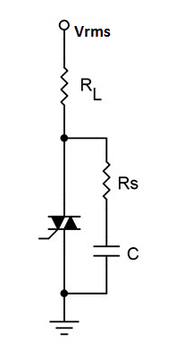
 | 200 | A | ITSM | Peak Surge (Non−Repetitive) On−State Current,
 |  |  |  |  |  |  |  |  | 600V
3 | 230 | V | VRMS | Supply RMS Voltage | AC |  |  | 0.1 | uF | C
 |  |  |  |  |  |  |  | 16.94 | Ohm | Rs
4 | 24 | Ohm | RL | Load Resistance | Load Resistance |  |  | 10.58 |  | W
 | 250 | V/uSec | dv/dt | Critical Rate of Rise of Off−State Current

5 | 8 | A | Iload (Peak) | Load Current | Load A

